NLP
Warehouse capacity (cubic feet) | 200,000
Weekly Inventory Management and Purchasing Budget | $1,500,000

 | Tables | Chairs | Beds | Sofas | Bookcases | Priority Coefficients Table
Weekly demand (units), D | 1125 | 2750 | 3075 | 3075 | 750 | Priority 1 | 1000
Holding cost (per unit per week), h | $2 | $3 | $3 | $3 | $4 | Priority 2 | 50
Ordering cost (per order), o | $100 | $225 | $135 | $135 | $100 | Priority 3 | 1
Purchase price per unit, p | $45 | $85 | $125 | $155 | $125 | No Priority | 0
Storage space required (cubic feet per unit), s | 84 | 106 | 140 | 70 | 100

Decision Variables |  |  |  |  |  | Deviational Variables |  | Priority | Priority Coefficients
Optimal order quantities, x | 100 | 100 | 100 | 100 | 100 | Ratio Constraint Slack
Weekly Inventory Management Cost | $1,225 | $6,338 | $4,301 | $4,301 | $950 | Ratio Constraint Surplus
Weekly Inventory Management and Purchasing Cost | $51,850 | $240,088 | $388,676 | $480,926 | $94,700 | Warehouse Volume Slack
 |  |  |  |  |  | Warehouse Volume Surplus
Objective Function |  |  |  |  |  | Inventory Management Slack
Minimize total relevant deviation weighted with priorities |  |  |  |  |  | Inventory Management Surplus

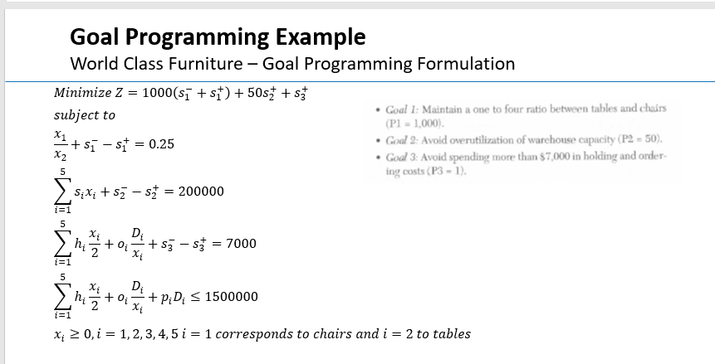
Constraints | Usage /Outcome | Sign | Resources /Requirement
Ratio of tables to chairs |  | = | 0.25
Maximum total space needed at one time |  | = | 200,000
Total Weekly Inventory Management Cost |  | = | 7000
Weekly Inventory Management and Purchasing Cost |  | ≤ | 1,500,000

